Q1
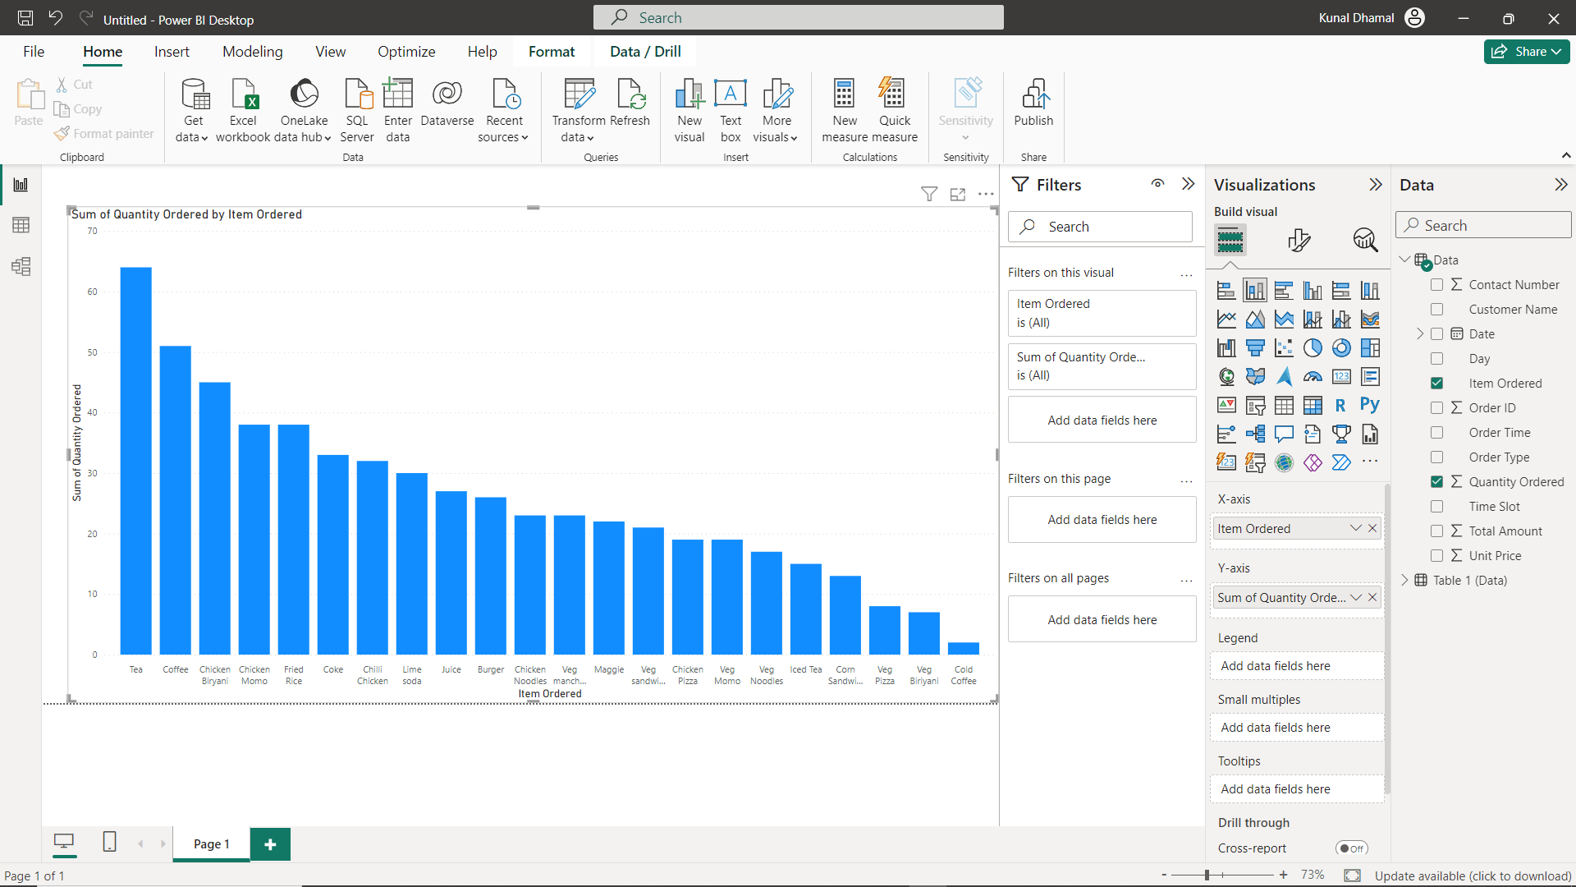
1.Which item is sold the most and which item is sold the least?
Tea was most ordered and cold coffee was least ordered

Q2
Are more units ordered against lower-priced items or higher-priced items in a single order?

Unit price Quantity Ordered
 | Quantity Ordered
85 | 2
20 | 1
80 | 1
50 | 1
50 | 1
85 | 1
60 | 1
65 | 1
20 | 1
80 | 1
85 | 1
20 | 1
90 | 2
120 | 1
70 | 1
140 | 2
90 | 1
90 | 3
95 | 2
120 | 1
110 | 1
90 | 1
160 | 1
40 | 4
120 | 1
55 | 1
20 | 3
50 | 2
40 | 1
80 | 1
90 | 2
80 | 1
110 | 1
80 | 3
90 | 1
140 | 2
80 | 1
50 | 2
75 | 1
20 | 1
40 | 1
20 | 3
50 | 1
110 | 2
90 | 1
95 | 1
140 | 1
90 | 1
160 | 2
140 | 1
...

Q3
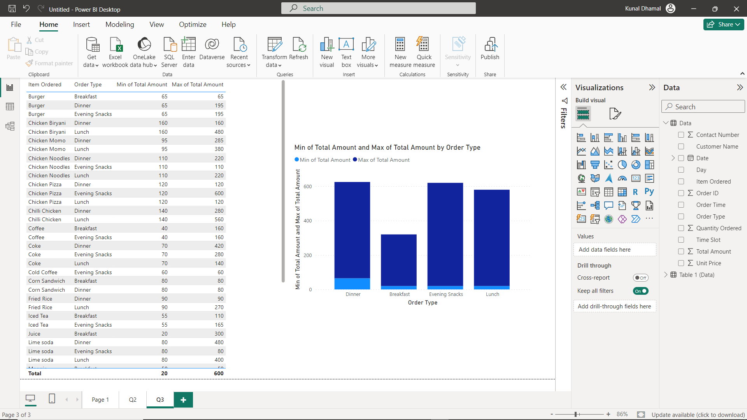
What items are sold more and what items are sold less in what type of meal?
Breakfast is least amount ordered and dinner is most amount ordered

Q4
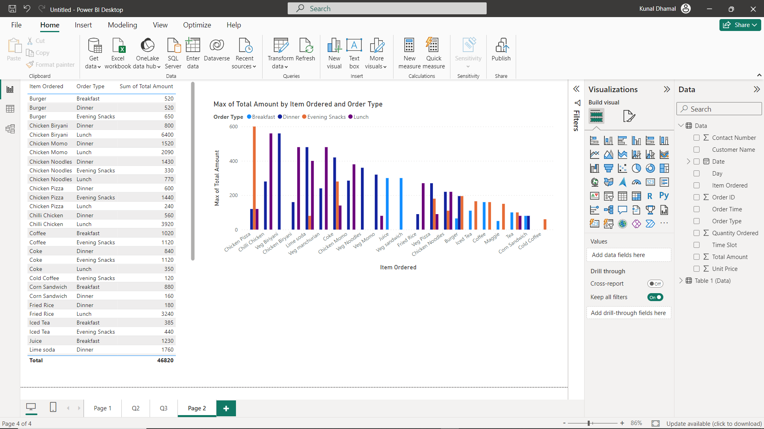
Sale of which items in what type of meal generate a greater amount of sales?
Evening snack the chicken pizza generates greater amount of sales

Q5
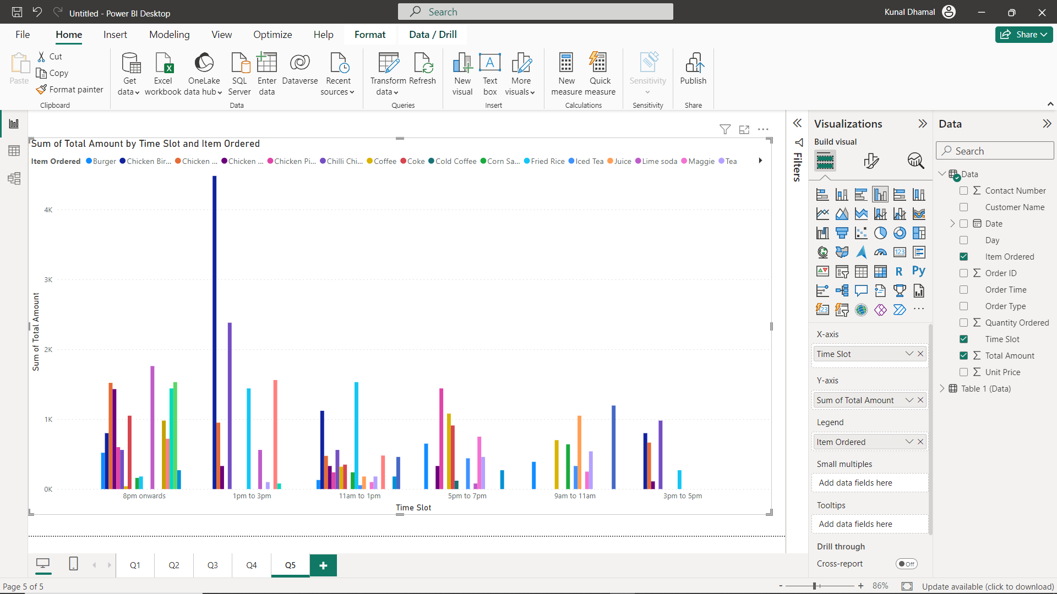
Should the company continue offering all items at different times of the day?
yes the company should continue offering all items at different times of the day

Task2 C
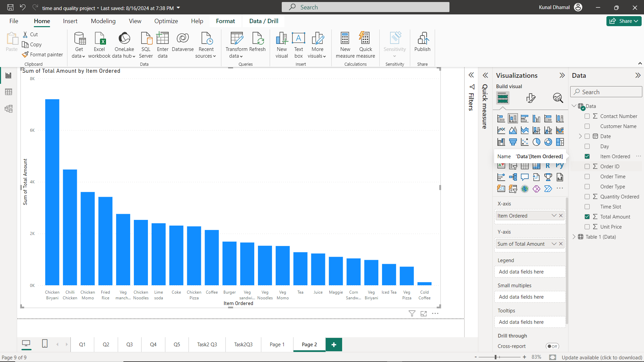
Visually present the following in a single view:

a. | The percentage of sales amount generated for each item in different types of orders; we should be able to filter the order type

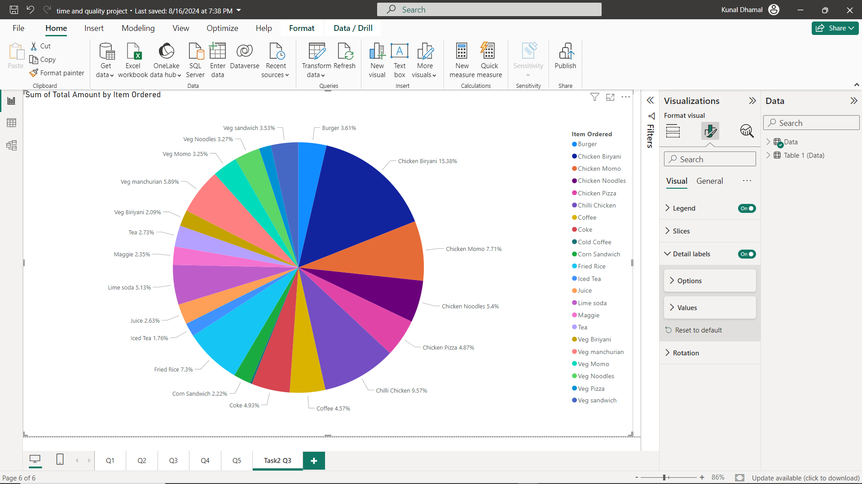

b. | The total quantity ordered for each item in different order types; we should be able to filter the items ordered

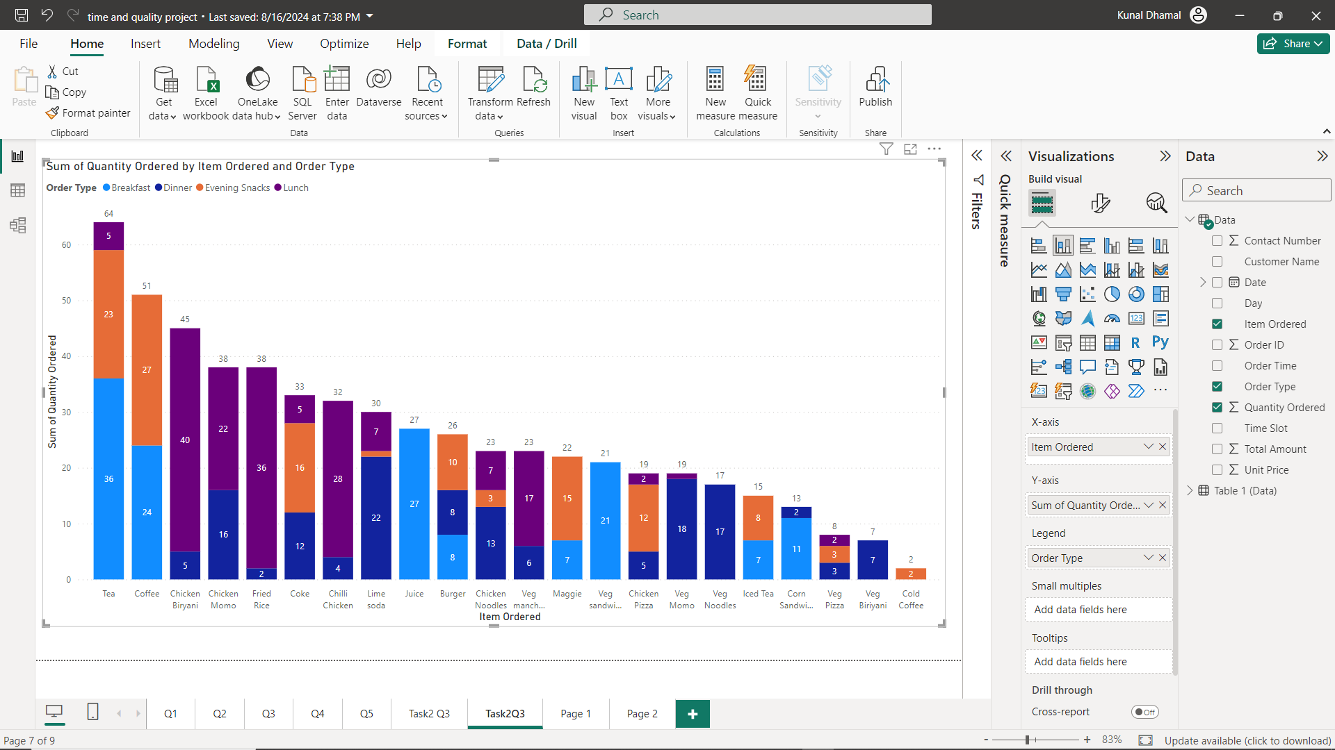

c. | Identify the 3 top selling items and 3 least selling items in each order type in terms of quantity
 | top 3 selling item: Juice, Coke & Lime soda
 | Top3 Least selling:Veg Biryani, Veg pizza & Cold Coffee
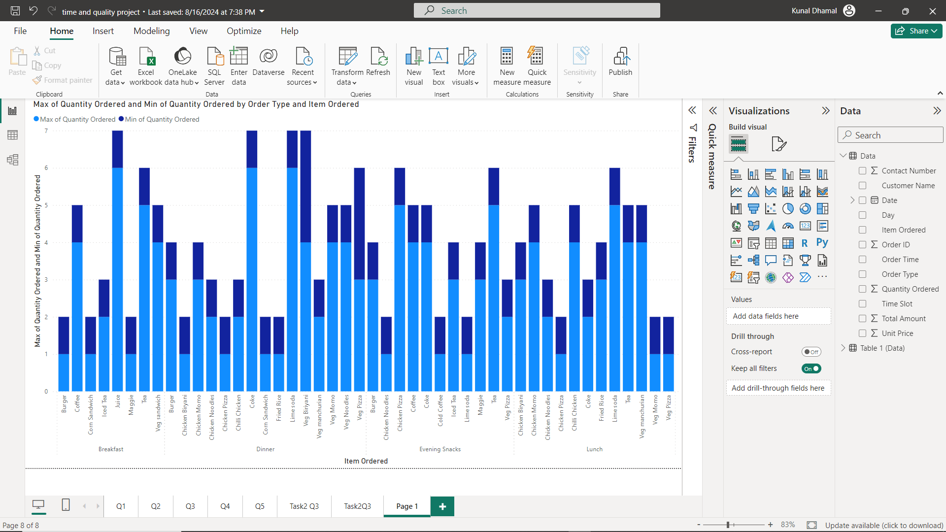

d. | Identify 3 items that are contributing higher to the sale amount and the 3 items that are contributing much less to the sales amount
 | Top 3 contributing: Chicken biryani, Chilli Chicken & Chicken Momo
 | Top 3 Least Contributing: Cold Coffee, Veg Pizza & Iced Tea

